Sheet1
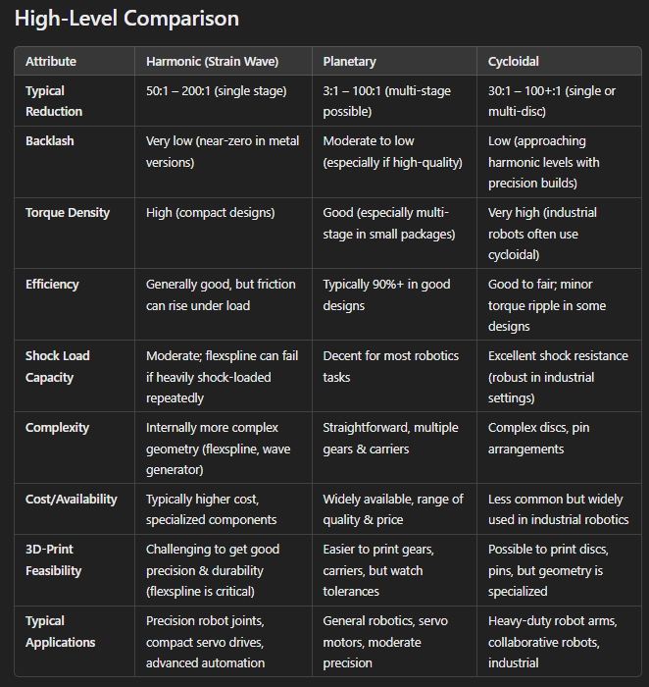
 | Harmonic | Planetary | Cycloidal | Notes
Backlash | 5 | 3 | 4
Torque Density | 4 | 3 | 5
Efficiency | 2 | 4 | 5 | H will have significant friction if printed
Shock Load Capcity | 2 | 4 | 5 | H can fail if heavily shocked: Not good for Dog
Design Complexity | 1 | 5 | 2
3D Print Feasibility | 1 | 5 | 3
Rating | 2.50 | 4.00 | 4.00

